Sheet1
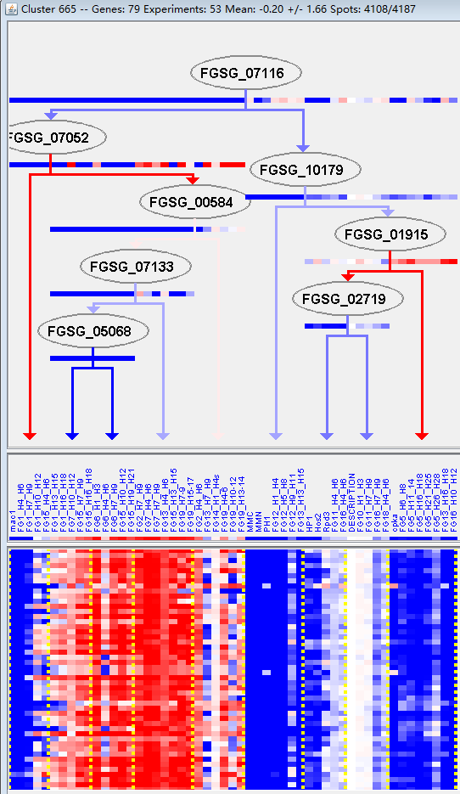
k | Filter | FUNCTIONAL CATEGORY | abs SET | rel SET | genes SET | abs GENOME | rel GENOME | rel SET/rel GENOME | P-VALUE | Bonferroni_corr | FDR
12.01.01 ribosomal proteins | 68 | 89.4 | FGSG_00395 FGSG_00631 FGSG_00634 FGSG_00671 FGSG_00798 FGSG_00802 FGSG_00845 FGSG_01016 FGSG_01021 FGSG_01081 FGSG_01154 FGSG_01238 FGSG_01278 FGSG_01504 FGSG_01509 FGSG_01516 FGSG_01871 FGSG_01956 FGSG_02099 FGSG_02493 FGSG_02503 FGSG_02541 FGSG_02542 FGSG_02588 FGSG_04476 FGSG_04149 FGSG_04137 FGSG_04136 FGSG_04915 FGSG_05378 FGSG_05433 FGSG_05493 FGSG_05605 FGSG_05916 FGSG_06020 FGSG_06270 FGSG_06289 FGSG_06407 FGSG_06587 FGSG_06757 FGSG_06827 FGSG_06921 FGSG_06924 FGSG_06931 FGSG_07048 FGSG_07186 FGSG_07291 FGSG_07292 FGSG_07480 FGSG_07856 FGSG_08896 FGSG_08895 FGSG_08714 FGSG_08676 FGSG_08670 FGSG_08561 FGSG_08478 FGSG_08335 FGSG_09866 FGSG_09974 FGSG_10010 FGSG_10181 FGSG_10245 FGSG_10246 FGSG_10368 FGSG_10905 FGSG_10845 FGSG_10733 | 165 | 1.19 | 75.12605042 | 3.21E-128
12.01 ribosome biogenesis | 69 | 90.7 | FGSG_00395 FGSG_00631 FGSG_00634 FGSG_00671 FGSG_00798 FGSG_00802 FGSG_00845 FGSG_01016 FGSG_01021 FGSG_01081 FGSG_01154 FGSG_01238 FGSG_01278 FGSG_01504 FGSG_01509 FGSG_01516 FGSG_01871 FGSG_01956 FGSG_02099 FGSG_02493 FGSG_02503 FGSG_02541 FGSG_02542 FGSG_02588 FGSG_04476 FGSG_04149 FGSG_04137 FGSG_04136 FGSG_04915 FGSG_05378 FGSG_05433 FGSG_05493 FGSG_05605 FGSG_05916 FGSG_06020 FGSG_06270 FGSG_06289 FGSG_06407 FGSG_06587 FGSG_06757 FGSG_06827 FGSG_06921 FGSG_06924 FGSG_06931 FGSG_07048 FGSG_07186 FGSG_07291 FGSG_07292 FGSG_07480 FGSG_07856 FGSG_08896 FGSG_08895 FGSG_08714 FGSG_08676 FGSG_08670 FGSG_08561 FGSG_08478 FGSG_08335 FGSG_09866 FGSG_09870 FGSG_09974 FGSG_10010 FGSG_10181 FGSG_10245 FGSG_10246 FGSG_10368 FGSG_10905 FGSG_10845 FGSG_10733 | 255 | 1.84 | 49.29347826 | 2.02E-115
12.04 translation | 64 | 84.2 | FGSG_00395 FGSG_00631 FGSG_00634 FGSG_00671 FGSG_00798 FGSG_00802 FGSG_00845 FGSG_01016 FGSG_01021 FGSG_01154 FGSG_01278 FGSG_01504 FGSG_01509 FGSG_01871 FGSG_01956 FGSG_02099 FGSG_02493 FGSG_02503 FGSG_02541 FGSG_02542 FGSG_02588 FGSG_04476 FGSG_04149 FGSG_04137 FGSG_04136 FGSG_05378 FGSG_05433 FGSG_05493 FGSG_05605 FGSG_05614 FGSG_05916 FGSG_06020 FGSG_06270 FGSG_06289 FGSG_06407 FGSG_06587 FGSG_06757 FGSG_06827 FGSG_06921 FGSG_06924 FGSG_06931 FGSG_07048 FGSG_07186 FGSG_07292 FGSG_07480 FGSG_07856 FGSG_08896 FGSG_08895 FGSG_08714 FGSG_08676 FGSG_08670 FGSG_08561 FGSG_08478 FGSG_08335 FGSG_09866 FGSG_09870 FGSG_09974 FGSG_10010 FGSG_10245 FGSG_10246 FGSG_10368 FGSG_10905 FGSG_10845 FGSG_10733 | 218 | 1.57 | 53.63057325 | 4.77E-107
12 PROTEIN SYNTHESIS | 70 | 92.1 | FGSG_00395 FGSG_00631 FGSG_00634 FGSG_00671 FGSG_00798 FGSG_00802 FGSG_00845 FGSG_01016 FGSG_01021 FGSG_01081 FGSG_01154 FGSG_01238 FGSG_01278 FGSG_01504 FGSG_01509 FGSG_01516 FGSG_01871 FGSG_01956 FGSG_02099 FGSG_02493 FGSG_02503 FGSG_02541 FGSG_02542 FGSG_02588 FGSG_04476 FGSG_04149 FGSG_04137 FGSG_04136 FGSG_04915 FGSG_05378 FGSG_05433 FGSG_05493 FGSG_05605 FGSG_05614 FGSG_05916 FGSG_06020 FGSG_06270 FGSG_06289 FGSG_06407 FGSG_06587 FGSG_06757 FGSG_06827 FGSG_06921 FGSG_06924 FGSG_06931 FGSG_07048 FGSG_07186 FGSG_07291 FGSG_07292 FGSG_07480 FGSG_07856 FGSG_08896 FGSG_08895 FGSG_08714 FGSG_08676 FGSG_08670 FGSG_08561 FGSG_08478 FGSG_08335 FGSG_09866 FGSG_09870 FGSG_09974 FGSG_10010 FGSG_10181 FGSG_10245 FGSG_10246 FGSG_10368 FGSG_10905 FGSG_10845 FGSG_10733 | 439 | 3.17 | 29.05362776 | 8.78E-100
16.01 protein binding | 64 | 84.2 | FGSG_00395 FGSG_00631 FGSG_00634 FGSG_00671 FGSG_00798 FGSG_00802 FGSG_00845 FGSG_01016 FGSG_01021 FGSG_01154 FGSG_01278 FGSG_01504 FGSG_01509 FGSG_01516 FGSG_01871 FGSG_01956 FGSG_02099 FGSG_02493 FGSG_02503 FGSG_02541 FGSG_02542 FGSG_02588 FGSG_04476 FGSG_04149 FGSG_04137 FGSG_04136 FGSG_05378 FGSG_05433 FGSG_05493 FGSG_05605 FGSG_05916 FGSG_06020 FGSG_06270 FGSG_06289 FGSG_06407 FGSG_12937 FGSG_06587 FGSG_06757 FGSG_06827 FGSG_06921 FGSG_06924 FGSG_06931 FGSG_07048 FGSG_07186 FGSG_07292 FGSG_07480 FGSG_07856 FGSG_08896 FGSG_08895 FGSG_08714 FGSG_08676 FGSG_08670 FGSG_08561 FGSG_08478 FGSG_08335 FGSG_09866 FGSG_09974 FGSG_10010 FGSG_10181 FGSG_10245 FGSG_10246 FGSG_10905 FGSG_10845 FGSG_10733 | 1601 | 11.5 | 7.32173913 | 2.95E-48
16 PROTEIN WITH BINDING FUNCTION OR COFACTOR REQUIREMENT (structural or catalytic) | 66 | 86.8 | FGSG_00395 FGSG_00631 FGSG_00634 FGSG_00671 FGSG_00798 FGSG_00802 FGSG_00845 FGSG_00904 FGSG_01016 FGSG_01021 FGSG_01154 FGSG_01238 FGSG_01278 FGSG_01504 FGSG_01509 FGSG_01516 FGSG_01871 FGSG_01956 FGSG_02099 FGSG_02493 FGSG_02503 FGSG_02541 FGSG_02542 FGSG_02588 FGSG_04476 FGSG_04149 FGSG_04137 FGSG_04136 FGSG_05378 FGSG_05433 FGSG_05493 FGSG_05605 FGSG_05916 FGSG_06020 FGSG_06270 FGSG_06289 FGSG_06407 FGSG_12937 FGSG_06587 FGSG_06757 FGSG_06827 FGSG_06921 FGSG_06924 FGSG_06931 FGSG_07048 FGSG_07186 FGSG_07292 FGSG_07480 FGSG_07856 FGSG_08896 FGSG_08895 FGSG_08714 FGSG_08676 FGSG_08670 FGSG_08561 FGSG_08478 FGSG_08335 FGSG_09866 FGSG_09974 FGSG_10010 FGSG_10181 FGSG_10245 FGSG_10246 FGSG_10905 FGSG_10845 FGSG_10733 | 3139 | 22.7 | 3.823788546 | 1.48E-32
16.03.03 RNA binding | 20 | 26.3 | FGSG_00845 FGSG_01016 FGSG_01154 FGSG_01238 FGSG_01871 FGSG_02099 FGSG_02493 FGSG_02541 FGSG_02542 FGSG_07048 FGSG_07856 FGSG_08896 FGSG_08714 FGSG_08676 FGSG_08670 FGSG_08561 FGSG_08335 FGSG_09974 FGSG_10010 FGSG_10845 | 327 | 2.36 | 11.1440678 | 5.52E-16
16.03 nucleic acid binding | 21 | 27.6 | FGSG_00671 FGSG_00845 FGSG_01016 FGSG_01154 FGSG_01238 FGSG_01871 FGSG_02099 FGSG_02493 FGSG_02541 FGSG_02542 FGSG_07048 FGSG_07856 FGSG_08896 FGSG_08714 FGSG_08676 FGSG_08670 FGSG_08561 FGSG_08335 FGSG_09974 FGSG_10010 FGSG_10845 | 811 | 5.86 | 4.709897611 | 1.42E-09
12.07 translational control | 5 | 6.57 | FGSG_00671 FGSG_01509 FGSG_08896 FGSG_10245 FGSG_10733 | 84 | 0.6 | 10.95 | 9.67E-05
12.04.02 translation elongation | 3 | 3.94 | FGSG_05605 FGSG_06827 FGSG_10368 | 25 | 0.18 | 21.88888889 | 0.000336515
16.05 polysaccharide binding | 2 | 2.63 | FGSG_05378 FGSG_09974 | 38 | 0.27 | 9.740740741 | 0.018448636
02.13.05 regulation of respiration | 1 | 1.31 | FGSG_08677 | 5 | 0.03 | 43.66666667 | 0.027187838
30.01.05.05.03 trimeric G-protein mediated signal transduction | 1 | 1.31 | FGSG_09870 | 6 | 0.04 | 32.75 | 0.032537214
01.03.04.01 pyrimidine nucleotide/nucleoside/nucleobase catabolism | 1 | 1.31 | FGSG_00904 | 9 | 0.06 | 21.83333333 | 0.048411779
11.04.03.01.10 regulation of splicing | 1 | 1.31 | FGSG_10245 | 9 | 0.06 | 21.83333333 | 0.048411779

12.01.01核糖体蛋白质
12.01核糖体合成

